Office button
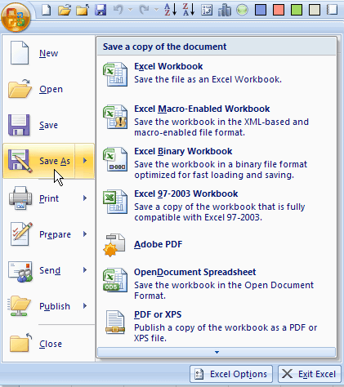
Return to table of contents | Save this file under another name, such as My Excel Tutorial.xlsx, and work with the copy.

Excel Options
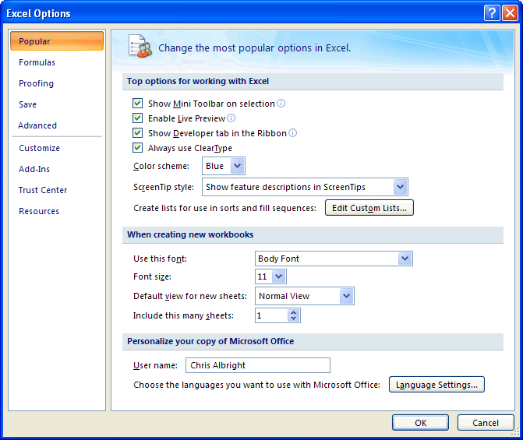
Return to table of contents | Save this file under another name, such as My Excel Tutorial.xlsx, and work with the copy.

Right-clicking
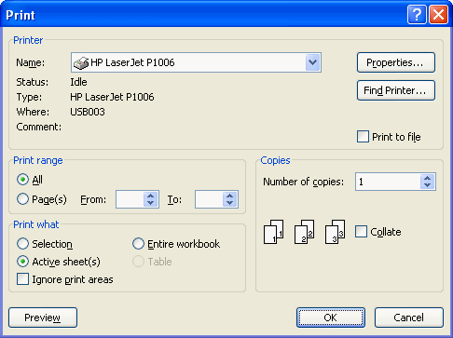
Return to table of contents | Save this file under another name, such as My Excel Tutorial.xlsx, and work with the copy.

 |  | Month | Sales
 |  | Jan-09 | 3108
 |  | Feb-09 | 3993
 |  | Mar-09 | 1644
 |  | Apr-09 | 3078
 |  | May-09 | 1830
 |  | Jun-09 | 3279
 |  | Jul-09 | 3413
 |  | Aug-09 | 1197

Cell comments, text boxes
Return to table of contents | Save this file under another name, such as My Excel Tutorial.xlsx, and work with the copy.

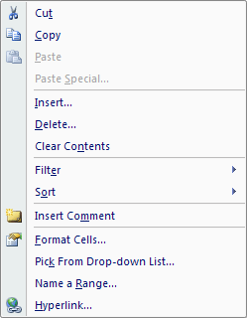
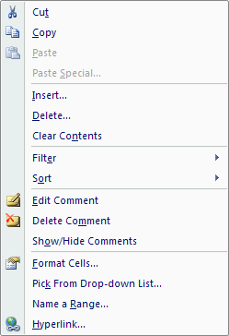
 |  | Sales
 |  | 15.3
 |  | 14.7
 |  | 9.6
 |  | 12.1
 |  | 14.2

Paste Special
Return to table of contents | Save this file under another name, such as My Excel Tutorial.xlsx, and work with the copy.

 |  | 1 | 1 | 1
 |  | 2 | 3 | 6
 |  | 9 | 5 | 45
 |  | 7 | 4 | 28
 |  | 8 | 8 | 64
 |  | 8 | 10 | 80
 |  | 7 | 6 | 42

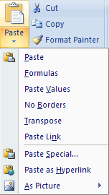

 |  | 10 | 2 | 20
 |  | 6 | 7 | 42
 |  | 1 | 8 | 8
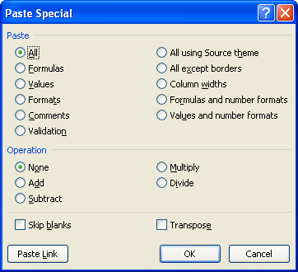
 |  |  |  |  | $47.65
 |  |  |  |  | $44.20
 |  |  |  |  | $37.68
 |  |  |  |  | $31.34
 |  |  |  |  | $89.36
 |  |  |  |  | $68.15
 |  |  |  |  | $28.57

 |  | 147
 |  | 173
 |  | 217
 |  | 178
 |  | 120
 |  | 203
 |  | 137
 |  | 217
 |  | 153

Rows, Columns
Return to table of contents |  |  |  |  | Save this file under another name, such as My Excel Tutorial.xlsx, and work with the copy.

 | Month | Price | Units sold | Revenue
 | Jan | $3.00 | 100 | $300.00
 | Mar | $3.25 | 50 | $162.50
 | Jun | $3.50 | 200 | $700.00

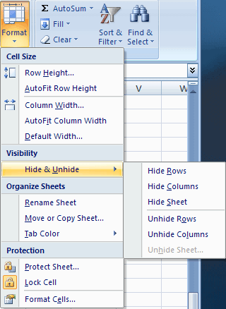

 | Person | Age
 | 1 | 36
 | 2 | 33
 | 3 | 49
 | 4 | 25
 | 5 | 21
 | 6 | 46
 | 7 | 27
 | 8 | 35
 | 9 | 22
 | 10 | 27
 | 11 | 37
 | 12 | 36
 | 13 | 21
 | 14 | 35
 | 15 | 39
 | 16 | 48
 | 17 | 35
 | 18 | 38
 | 19 | 36
 | 20 | 44
 | 21 | 34
 | 22 | 50
 | 23 | 44
 | 24 | 41
 | 25 | 43
 | 26 | 48
 | 27 | 29
 | 28 | 34
 | 29 | 22
 | 30 | 28

Worksheets
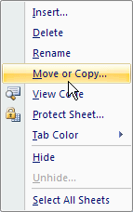
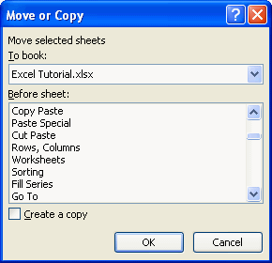
Return to table of contents | Save this file under another name, such as My Excel Tutorial.xlsx, and work with the copy.

Sorting
Return to table of contents | Save this file under another name, such as My Excel Tutorial.xlsx, and work with the copy.

 |  | Person | Age | Gender | State | Children | Salary
 |  | 1 | 35 | Male | Ohio | 1 | $65,400
 |  | 2 | 61 | Female | Illinois | 2 | $62,000
 |  | 3 | 35 | Male | Illinois | 0 | $63,200
 |  | 4 | 37 | Male | Indiana | 2 | $52,000
 |  | 5 | 32 | Female | Ohio | 3 | $81,400
 |  | 6 | 33 | Female | Illinois | 3 | $46,300
 |  | 7 | 65 | Female | Illinois | 2 | $49,600
 |  | 8 | 45 | Male | Ohio | 1 | $45,900
 |  | 9 | 40 | Male | Illinois | 3 | $47,700
 |  | 10 | 32 | Female | Ohio | 1 | $59,900
 |  | 11 | 57 | Male | Illinois | 1 | $48,100
 |  | 12 | 38 | Female | Indiana | 0 | $58,100
 |  | 13 | 37 | Female | Indiana | 2 | $56,000
 |  | 14 | 42 | Female | Ohio | 2 | $53,400
 |  | 15 | 38 | Female | Ohio | 2 | $39,000
 |  | 16 | 48 | Male | Ohio | 1 | $61,500
 |  | 17 | 40 | Male | Indiana | 0 | $37,700
 |  | 18 | 57 | Female | Indiana | 2 | $36,700
 |  | 19 | 44 | Male | Illinois | 2 | $45,200
 |  | 20 | 40 | Male | Ohio | 0 | $59,000
 |  | 21 | 21 | Female | Indiana | 2 | $54,300
 |  | 22 | 49 | Male | Ohio | 1 | $62,100

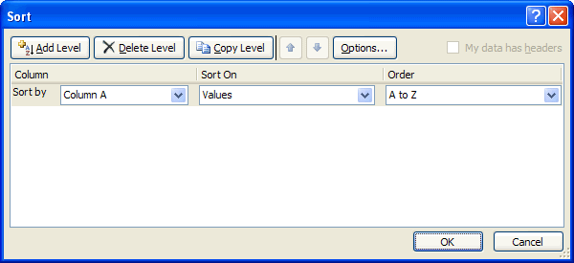

 |  | Grade |  | Name
 |  | A+ |  | FRED
 |  | A |  | TOM
 |  | A- |  | jenny
 |  | B+ |  | doug
 |  | B |  | MARY
 |  | B- |  | sam
 |  | C+ |  | charlie
 |  | C |  | BOB
 |  | C- |  | CHRIS
 |  | D+
 |  | D
 |  | D-
 |  | F

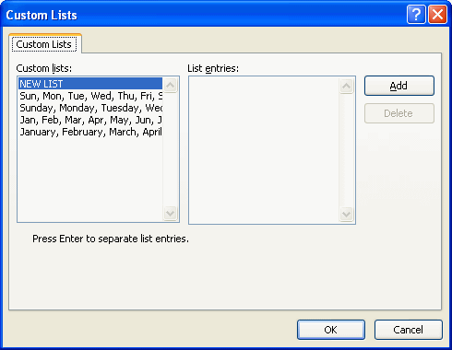
 |  | Order | Time | Day
 |  | 1 | Morning | Saturday
 |  | 2 | Evening | Wednesday
 |  | 3 | Evening | Saturday
 |  | 4 | Afternoon | Friday
 |  | 5 | Evening | Tuesday
 |  | 6 | Morning | Tuesday
 |  | 7 | Afternoon | Monday
 |  | 8 | Afternoon | Saturday
 |  | 9 | Afternoon | Monday
 |  | 10 | Morning | Tuesday
 |  | 11 | Evening | Sunday
 |  | 12 | Morning | Monday
 |  | 13 | Afternoon | Wednesday
 |  | 14 | Morning | Friday
 |  | 15 | Afternoon | Saturday
 |  | 16 | Morning | Tuesday
 |  | 17 | Afternoon | Thursday
 |  | 18 | Afternoon | Friday
 |  | 19 | Afternoon | Friday
 |  | 20 | Evening | Thursday
 |  | 21 | Morning | Sunday
 |  | 22 | Morning | Monday
 |  | 23 | Morning | Sunday
 |  | 24 | Morning | Sunday
 |  | 25 | Morning | Saturday

Fill Series
Return to table of contents | Save this file under another name, such as My Excel Tutorial.xlsx, and work with the copy.

 |  | Day | Sales | Day | Sales
 |  |  | $227 |  | $167
 |  |  | $157 |  | $107
 |  |  | $143 |  | $255
 |  |  | $129 |  | $113
 |  |  | $102 |  | $186
 |  |  | $116 |  | $124
 |  |  | $269 |  | $271
 |  |  | $111 |  | $288
 |  |  | $210 |  | $273
 |  |  | $117 |  | $285
 |  |  | $214 |  | $231
 |  |  | $150 |  | $272
 |  |  | $229 |  | $169
 |  |  | $241 |  | $269
 |  |  | $270 |  | $274
 |  |  | $224 |  | $133
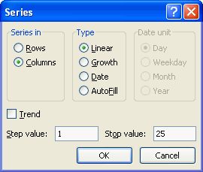
 |  |  | $127 |  | $280
 |  |  | $246 |  | $289
 |  |  | $203 |  | $254
 |  |  | $207 |  | $114
 |  |  | $190 |  | $181
 |  |  | $256 |  | $259
 |  |  | $297 |  | $185
 |  |  | $175 |  | $117
 |  |  | $169 |  | $224

Go To
Return to table of contents | Save this file under another name, such as My Excel Tutorial.xlsx, and work with the copy.

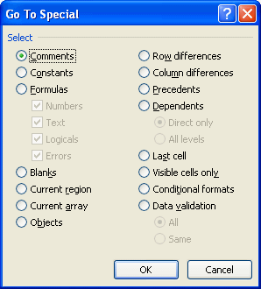
 |  | Jan | Q1 | 2009

 |  | Feb

 |  | Mar

 |  | Apr | Q2

 |  | May

 |  | Jun

R1C1 Notation
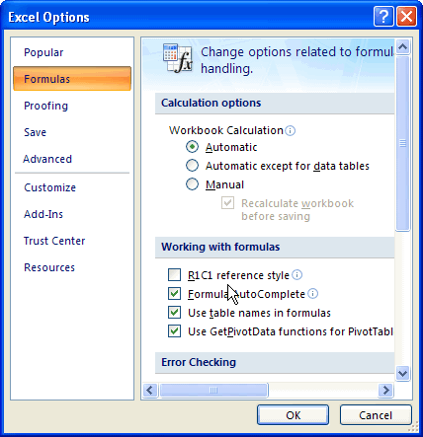
Return to table of contents | Save this file under another name, such as My Excel Tutorial.xlsx, and work with the copy.

 |  | Multiplication table
 |  |  |  | 1 | 2 | 3 | 4
 |  |  | 1 | 1 | 2 | 3 | 4
 |  |  | 2 | 2 | 4 | 6 | 8
 |  |  | 3 | 3 | 6 | 9 | 12
 |  |  | 4 | 4 | 8 | 12 | 16
 |  |  | Total | 10 | 20 | 30 | 40

Summation Button
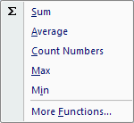
Return to table of contents | Save this file under another name, such as My Excel Tutorial.xlsx, and work with the copy.

 |  | 51 | 94 | 15 | 7 | 167
 |  | 37 | 6 | 2 | 41 | 86
 |  | 13 | 83 | 29 | 88 | 213
 |  | 73 | 64 | 46 | 32 | 215
 |  | 38 | 11 | 3 | 80 | 132

Range Names
Return to table of contents | Save this file under another name, such as My Excel Tutorial.xlsx, and work with the copy.

 |  | 71 | 31 | 9 | 69 | 5
 |  | 15 | 74 | 46 | 84 | 27
 |  | 14 | 49 | 25 | 38 | 83
 |  | 40 | 43 | 20 | 75 | 83
 |  | 28 | 72 | 30 | 92 | 75
 |  | 41 | 56 | 90 | 89 | 73
 |  | 28 | 81 | 43 | 81 | 61

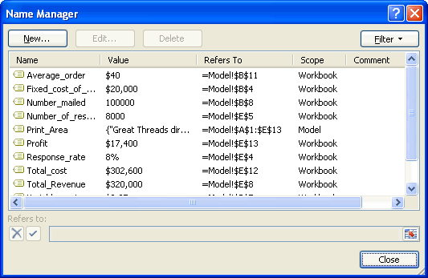

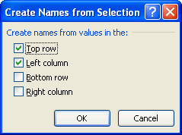
 |  |  |  |  |  | Month | UnitsSold | UnitPrice | Revenue
 |  |  |  |  |  | Jan | 100 | $1.25 | $125.00
 |  |  |  |  |  | Feb | 150 | $1.25 | $187.50
 |  |  |  |  |  | Mar | 200 | $1.40 | $280.00
 |  |  |  |  |  | Apr | 230 | $1.40 | $322.00
 |  |  |  |  |  | May | 200 | $1.50 | $300.00
 |  |  |  |  |  | Jun | 300 | $1.50 | $450.00
 |  |  |  |  |  | Totals | 1180 |  | $1,664.50

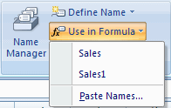
 |  |  |  |  |  | Range names used in this sheet:

Printing
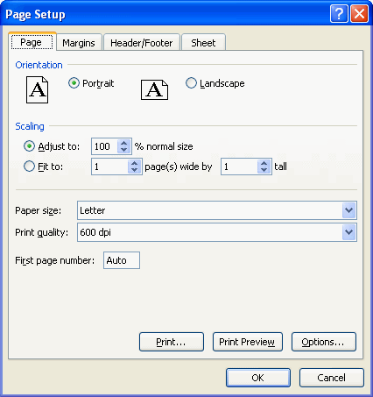
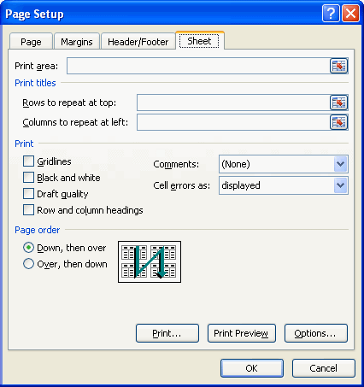
Return to table of contents | Save this file under another name, such as My Excel Tutorial.xlsx, and work with the copy.

 |  | Payment | #NUM!

 |  | Note that the PMT function is in the financial category.
 |  | In general, it has 5 arguments, but the last two are optional
 |  | and aren't needed here. There is a minus sign next to
 |  | Principal because it is paid, not received.

fx button
Return to table of contents | Save this file under another name, such as My Excel Tutorial.xlsx, and work with the copy.

 |  | Payments for Mr. Jones, who just bought a new car

 |  | Amount financed | $15,000
 |  | Annual interest rate | 8.90%
 |  | Term (number of months financed) | 36
 |  | Monthly payment |  | Payment | $476.30

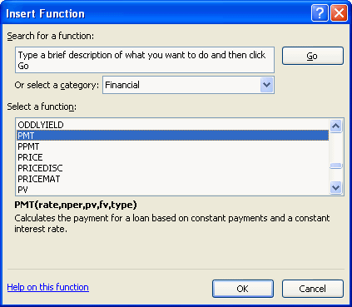
 |  |  |  | Note that the PMT function is in the financial category.
 |  |  |  | In general, it has 5 arguments, but the last two are optional
 |  |  |  | and aren't needed here. There is a minus sign next to
 |  |  |  | Principal because it is paid, not received.

Create chart
Return to table of contents | Save this file under another name, such as My Excel Tutorial.xlsx, and work with the copy.

 |  | Month | Sales
 |  | Jan-09 | $8,627
 |  | Feb-09 | $5,343
 |  | Mar-09 | $6,244
 |  | Apr-09 | $9,451
 |  | May-09 | $6,698
 |  | Jun-09 | $6,752
 |  | Jul-09 | $5,985
 |  | Aug-09 | $5,586
 |  | Sep-09 | $8,476
 |  | Oct-09 | $9,191
 |  | Nov-09 | $7,242
 |  | Dec-09 | $8,277

 |  | Month | Sales1 | Sales2
 |  | Jan-09 | $8,627 | $8,452
 |  | Feb-09 | $5,343 | $6,801
 |  | Mar-09 | $6,244 | $5,497
 |  | Apr-09 | $9,451 | $10,329
 |  | May-09 | $6,698 | $5,995
 |  | Jun-09 | $6,752 | $8,103
 |  | Jul-09 | $5,985 | $6,386
 |  | Aug-09 | $5,586 | $5,047
 |  | Sep-09 | $8,476 | $8,641
 |  | Oct-09 | $9,191 | $10,696
 |  | Nov-09 | $7,242 | $6,914
 |  | Dec-09 | $8,277 | $9,004

 |  | Month | Jan-09 | Feb-09 | Mar-09 | Apr-09 | May-09 | Jun-09 | Jul-09 | Aug-09 | Sep-09 | Oct-09 | Nov-09 | Dec-09
 |  | Sales1 | $8,627 | $5,343 | $6,244 | $9,451 | $6,698 | $6,752 | $5,985 | $5,586 | $8,476 | $9,191 | $7,242 | $8,277
 |  | Sales2 | $8,452 | $6,801 | $5,497 | $10,329 | $5,995 | $8,103 | $6,386 | $5,047 | $8,641 | $10,696 | $6,914 | $9,004

 |  |  | Product1 | Product2 | Product3 | Product4
 |  | Region1 | $4,637 | $4,520 | $1,510 | $3,384
 |  | Region2 | $1,137 | $4,604 | $2,407 | $2,228
 |  | Region3 | $1,670 | $2,386 | $4,759 | $3,190
 |  | Region4 | $4,561 | $1,919 | $3,097 | $2,371
 |  | Region5 | $1,170 | $3,582 | $1,252 | $3,038
 |  | Region6 | $1,573 | $1,128 | $3,649 | $4,822

 |  |  | Jan-09 | Feb-09 | Mar-09 | Apr-09 | May-09 | Jun-09
 |  | Product1 | $2,022 | $2,751 | $4,410 | $4,119 | $4,129 | $1,635
 |  | Product2 | $4,055 | $1,472 | $1,659 | $4,730 | $1,750 | $2,127
 |  | Product3 | $3,121 | $1,550 | $4,468 | $1,811 | $4,643 | $1,773
 |  | Product4 | $2,714 | $3,939 | $2,166 | $3,428 | $1,670 | $1,385
 |  | Product5 | $4,679 | $2,561 | $1,726 | $2,174 | $2,525 | $2,989
 |  | Product6 | $3,157 | $1,837 | $1,746 | $3,892 | $2,928 | $1,105

 |  | Month |  | Junk1 | Junk2 | Sales1 | Sales2
 |  | Jan-09 |  | 93 | 71 | $2,104 | $4,173
 |  | Feb-09 |  | 53 | 88 | $2,404 | $3,203
 |  | Mar-09 |  | 19 | 41 | $2,811 | $1,374
 |  | Apr-09 |  | 97 | 26 | $3,519 | $4,435
 |  | May-09 |  | 64 | 40 | $3,819 | $1,099
 |  | Jun-09 |  | 17 | 6 | $3,434 | $4,123

 |  | Person | Height | Weight
 |  | 1 | 60 | 155
 |  | 2 | 61 | 162
 |  | 3 | 62 | 162
 |  | 4 | 63 | 162
 |  | 5 | 63 | 164
 |  | 6 | 65 | 168
 |  | 7 | 70 | 175
 |  | 8 | 72 | 199
 |  | 9 | 72 | 215
 |  | 10 | 76 | 241

Locating chart
Return to table of contents | Save this file under another name, such as My Excel Tutorial.xlsx, and work with the copy.

 |  | Month | Sales
 |  | Jan-09 | $8,627
 |  | Feb-09 | $5,343
 |  | Mar-09 | $6,244
 |  | Apr-09 | $9,451
 |  | May-09 | $6,698
 |  | Jun-09 | $6,752
 |  | Jul-09 | $5,985
 |  | Aug-09 | $5,586
 |  | Sep-09 | $8,476
 |  | Oct-09 | $9,191
 |  | Nov-09 | $7,242
 |  | Dec-09 | $8,277

Modify chart
Return to table of contents | Save this file under another name, such as My Excel Tutorial.xlsx, and work with the copy.

 |  | Person | Sales1 | Sales2
 |  | Jan-09 | $8,627 | $23,919
 |  | Feb-09 | $5,343 | $19,507
 |  | Mar-09 | $6,244 | $34,377
 |  | Apr-09 | $9,451 | $30,285
 |  | May-09 | $6,698 | $19,673
 |  | Jun-09 | $6,752 | $21,007
 |  | Jul-09 | $5,985 | $16,644
 |  | Aug-09 | $5,586 | $21,022
 |  | Sep-09 | $8,476 | $23,928
 |  | Oct-09 | $9,191 | $31,403
 |  | Nov-09 | $7,242 | $25,333
 |  | Dec-09 | $8,277 | $28,071

Sale of product 2 versus sales of product 1

Hyperlinks
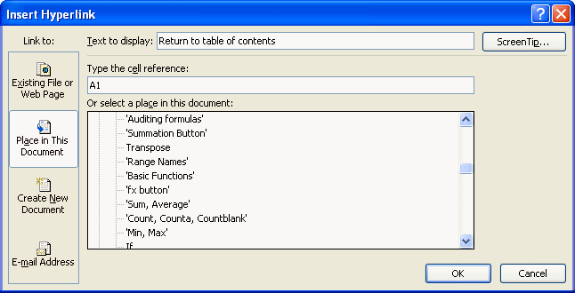
Return to table of contents | Save this file under another name, such as My Excel Tutorial.xlsx, and work with the copy.

Goal Seek
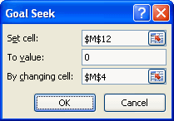
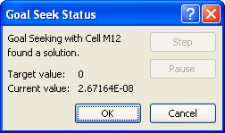
Return to table of contents | Save this file under another name, such as My Excel Tutorial.xlsx, and work with the copy.

 |  | Unit cost | 50
 |  | Unit price | 60

 |  | Demand curve (linear)
 |  | Intercept | 2000
 |  | Slope | -20

 |  | Demand | 800

 |  | Profit | 8000

One-way data table
Return to table of contents | Save this file under another name, such as My Excel Tutorial.xlsx, and work with the copy.

 |  | Price of car | $20,000 | Data table
 |  | Down payment | $5,000 | Interest rate | Monthly payment
 |  | Amount financed | $15,000 |  | $459.74
 |  | Annual interest rate | 6.50% | 6.00% | $456.33
 |  | Number of payments | 36 | 6.25% | $458.03
 |  |  |  | 6.50% | $459.74
 |  | Monthly payment | $459.74 | 6.75% | $461.44
 |  | Total interest paid | $1,550.46 | 7.00% | $463.16

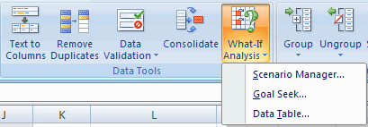

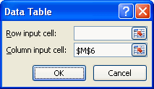

 |  | Price of car | $20,000 | Data table
 |  | Down payment | $5,000 | Interest | Monthly payment | Total interest
 |  | Amount financed | $15,000 |  | $459.74 | $1,550.46
 |  | Annual interest rate | 6.50% | 6.00% | $456.33 | $1,427.85
 |  | Number of payments | 36 | 6.25% | $458.03 | $1,489.08
 |  |  |  | 6.50% | $459.74 | $1,550.46
 |  | Monthly payment | $459.74 | 6.75% | $461.44 | $1,611.98
 |  | Total interest paid | $1,550.46 | 7.00% | $463.16 | $1,673.63

 |  | Price of car | $20,000 |  |  |  | Data table
 |  | Down payment | $5,000 |  |  |  | Term | Monthly payment | Total interest
 |  | Amount financed | $15,000 |  |  |  |  | $459.74 | $1,550.46
 |  | Annual interest rate | 6.50% |  |  |  | 12 | $1,294.45 | $533.36
 |  | Number of payments | 36 |  |  |  | 24 | $668.19 | $1,036.65
 |  |  |  |  |  |  | 36 | $459.74 | $1,550.46
 |  | Monthly payment | $459.74 |  |  |  | 48 | $355.72 | $2,074.77
 |  | Total interest paid | $1,550.46

Two-way data table
Return to table of contents | Save this file under another name, such as My Excel Tutorial.xlsx, and work with the copy.

 |  | Price of car | $20,000 | Data table of monthly payment
 |  | Down payment | $5,000 | $459.74 | $4,000 | $5,000 | $6,000
 |  | Amount financed | $15,000 | 6.00% | $486.75 | $456.33 | $425.91
 |  | Annual interest rate | 6.50% | 6.25% | $488.57 | $458.03 | $427.49
 |  | Number of payments | 36 | 6.50% | $490.38 | $459.74 | $429.09
 |  |  |  | 6.75% | $492.21 | $461.44 | $430.68
 |  | Monthly payment | $459.74 | 7.00% | $494.03 | $463.16 | $432.28
 |  | Total interest paid | $1,550.46

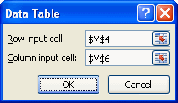

 |  | Price of car | $20,000 | Data table of total interest paid |  |  |  | Data table of total interest paid
 |  | Down payment | $5,000 |  |  |  |  | $1,550.46 | $4,000 | $5,000 | $6,000
 |  | Amount financed | $15,000 |  |  |  |  | 12 | $568.91 | $533.36 | $497.80
 |  | Annual interest rate | 6.50% |  |  |  |  | 24 | $1,105.76 | $1,036.65 | $967.54
 |  | Number of payments | 36 |  |  |  |  | 36 | $1,653.83 | $1,550.46 | $1,447.10
 |  |  |  |  |  |  |  | 48 | $2,213.08 | $2,074.77 | $1,936.45
 |  | Monthly payment | $459.74 |  |  |  |  | 60 | $2,783.50 | $2,609.53 | $2,435.56
 |  | Total interest paid | $1,550.46

Data validation
Return to table of contents | Save this file under another name, such as My Excel Tutorial.xlsx, and work with the copy.

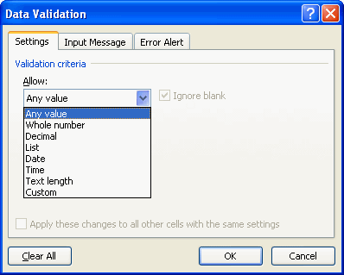

 |  |  |  | any integer between 1 and 10
 |  |  |  | any decimal number between 1 and 10
 |  |  |  | any positive integer
 |  |  |  | any negative decimal number
 |  |  |  | any integer between the values in cells N25 and O25
 |  |  |  | 30 | 40

 |  | Amount financed | $25,000
 |  | Interest rate | 6.25%
 |  | Term
 |  | Monthy payment | #NUM!

 |  | Date of loan

Protecting
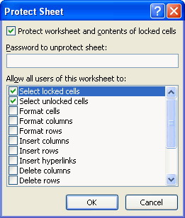
Return to table of contents | Save this file under another name, such as My Excel Tutorial.xlsx, and work with the copy.

NPV, XNPV
Return to table of contents | Save this file under another name, such as My Excel Tutorial.xlsx, and work with the copy.

 |  | Discount rate | 12%
 |  | Initial payment | $100,000

 |  | Cash inflows at ends of years
 |  | Year | 1 | 2 | 3 | 4 | 5
 |  | Inflow | $20,000 | $35,000 | $50,000 | $45,000 | $35,000

 |  | NPV |  |  |  |  |  | NPV | $29,806

 |  | Discount rate | 12%

 |  | Stream of cash flows
 |  | Date | 1-Jan-09 | 25-May-09 | 15-Sep-09 | 15-Jan-10 | 30-Jun-10
 |  | Cash | ($85,000) | $22,500 | $31,000 | $65,500 | $55,000

 |  | NPV

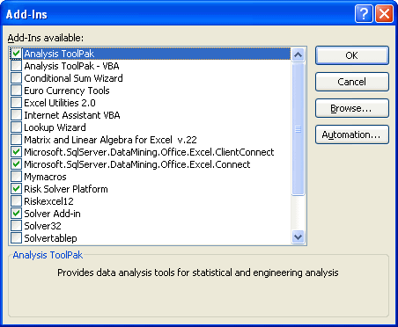

 |  |  |  |  |  |  |  | NPV | $69,805

Recording macro
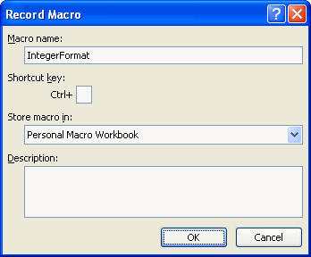
Return to table of contents | Save this file under another name, such as My Excel Tutorial.xlsx, and work with the copy.

 |  | 2.0001 | 50.0001
 |  | 30.9999 | 0.9999
 |  | -3.0002

